Sheet1
UCR-02 Cooling System ΔP Sheet

 | Constant Values |  |  |  | Minor Losses |  |  |  |  |  |  |  |  |  |  | Contraction data |  | Expansion Chart |  | Empirical Pressure Drops
 | Quantity | Raw Value | Final Value | Final Units | Component | Type | D1 [mm] | D2 [mm] | Ratio | Relevant Velocity [m/s] | K_L | Head loss [m] | Quantity | Total Head Loss [m] | ΔP [bar] | A2/A1 | K_L | A1/A2 | K_L | L/min | Bamocar | Emrax | Large Radiator | Small Radiator
 | Main Tubing ID [in] | 0.5 | 12.7 | [mm] | Pump Outlet | Contraction | 19.05 | 12.7 | 0.44444444444 | 0.78941167538 | 0.27726125315 | 0.0088063769142 | 1 | 0.0088063769142 | 0.00086337719266 | 0.004718945177 | 0.49866424471 | 0.0059636408153 | 0.98540619992 | 0 | 0 | 0 | 0 | 0
 | Motor Tubing ID [in] | 0.375 | 9.525 | [mm] | Pump Inlet | Expansion | 12.7 | 19.05 | 0.44444444444 | 0.78941167538 | 0.39461976113 | 0.012533919957 | 1 | 0.012533919957 | 0.0012288255126 | 0.011254899278 | 0.4984821074 | 0.011487343287 | 0.97414984166 | 1 | 0.0095 | 0.0254 | 0.00076 | 0.0015
 | Pump Port ID [in] | 0.75 | 19.05 | [mm] | Controller Fittings | 90 Degree Elbow | 12.7 | 12.7 | 1 | 0.78941167538 | 0.4 | 0.012704807201 | 2 | 0.025409614402 | 0.002491158596 | 0.017790853378 | 0.49829997009 | 0.016878741507 | 0.96805679818 | 2 | 0.0272 | 0.0704 | 0.00164 | 0.0036
 | Total Tubing Length [m] | 3 | 3 | [m] | Motor Inlet | Contraction | 12.7 | 9.525 | 0.5625 | 1.403398534 | 0.20618826031 | 0.020697932597 | 1 | 0.020697932597 | 0.0020292253118 | 0.024326807479 | 0.49738928356 | 0.019113738315 | 0.95738626388 | 3 | 0.0531 | 0.135 | 0.00264 | 0.0063
 | Elbow Quantity | 2 | 2 | [-] | Motor Outlet | Expansion | 9.525 | 12.7 | 0.5625 | 1.403398534 | 0.28333941095 | 0.028442647614 | 1 | 0.028442647614 | 0.0027885171721 | 0.03086276158 | 0.49702500895 | 0.024585464117 | 0.94755295977 | 4 | 0.0872 | 0.2192 | 0.00376 | 0.0096
 | Flow Rate [lpm] | 6 | 0.0001000002 | [m3/s] | Major Losses |  |  |  |  |  |  |  |  |  |  | 0.037398715681 | 0.49593218511 | 0.029976862337 | 0.94139350709 | 5 | 0.1295 | 0.323 | 0.005 | 0.0135
 | Water Density | 1000 | 1000 | [kg/m3] | Component | Type | D [mm] | Velocity [m/s] | Re | ε [mm] | ε/D | ƒ | length [m] | ΔP [Pa] | ΔP [bar] | 0.043934669781 | 0.49483936127 | 0.032523719165 | 0.93034467757 | 6 | 0.18 | 0.4464 | 0.00636 | 0.018
 | Water Dynamic Viscosity | 0.001003 | 0.001003 | [kg/m-s] | Tubing Length | Smooth | 12.7 | 0.78941167538 | 9995.5416523 | 0.002 | 0.00015748031496 | 0.032 | 3 | 235.5291187 | 0.002355291187 | 0.050470623882 | 0.49374653743 | 0.038137199521 | 0.92560946491 | 7 | 0.2387 | 0.5894 | 0.00784 | 0.0231
 |  |  |  |  | Component Losses (Empirical) |  |  |  |  |  |  |  |  |  |  | 0.056928769005 | 0.49200322321 | 0.040008359639 | 0.91480848398 | 8 | 0.3056 | 0.752 | 0.00944 | 0.0288
 |  |  |  |  | Component |  |  |  |  |  |  |  | Component ΔP [bar] | Quantity | Total ΔP [bar] | 0.063542532084 | 0.49101447783 | 0.045777770005 | 0.91026894127 | 9 | 0.3807 | 0.9342 | 0.01116 | 0.0351
 |  |  |  |  | Bamocar D3 |  |  |  |  |  |  |  | 0.18 | 1 | 0.18 | 0.070156295162 | 0.48888086938 | 0.047648930124 | 0.89946796034 | 10 | 0.464 | 1.136 | 0.013 | 0.042
 |  |  |  |  | Emrax 228 |  |  |  |  |  |  |  | 0.4464 | 1 | 0.4464 | 0.076381013353 | 0.48731969247 | 0.053418340489 | 0.89492841763 | 11 | 0.5555 | 1.3574 | 0.01496 | 0.0495
 |  |  |  |  | Radiator |  |  |  |  |  |  |  | 0.018 | 2 | 0.036 | 0.083150394386 | 0.48591463325 | 0.055289500608 | 0.8841274367 | 12 | 0.6552 | 1.5984 | 0.01704 | 0.0576
 |  |  |  |  |  |  |  |  |  |  |  |  |  | Total ΔP [bar] : | 0.67415639497 | 0.089414017066 | 0.48331917663 | 0.061058910973 | 0.87958789399 | 13 | 0.7631 | 1.859 | 0.01924 | 0.0663
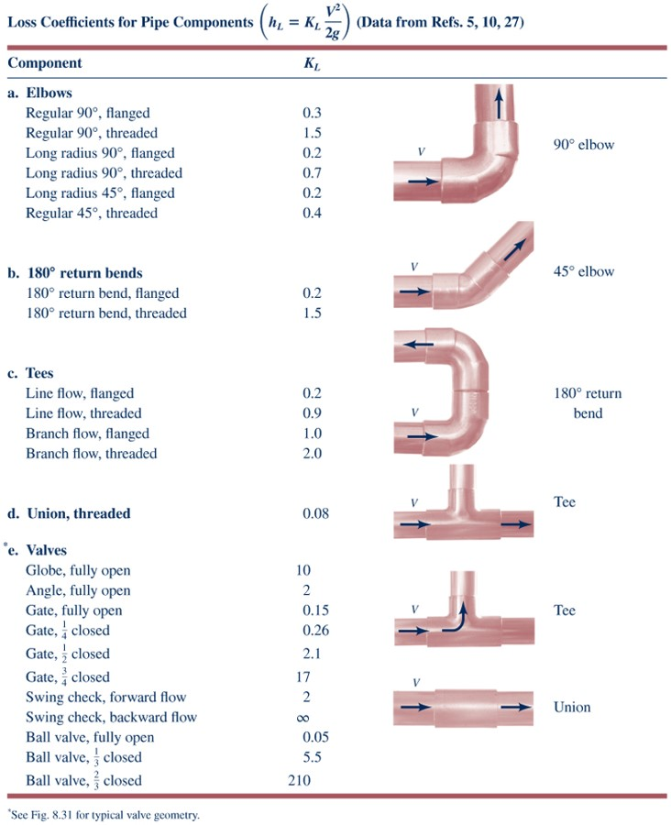
 |  |  |  |  |  |  |  |  |  |  |  |  |  |  |  | 0.096455729519 | 0.48154333789 | 0.062930071092 | 0.86894344902 | 14 | 0.8792 | 2.1392 | 0.02156 | 0.0756
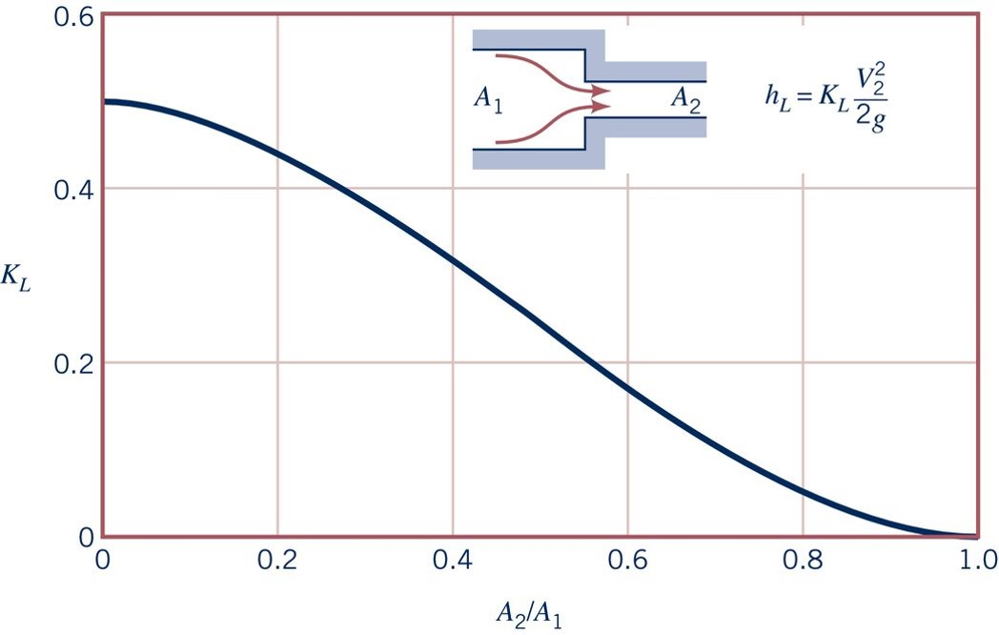
 |  |  |  |  |  |  |  |  |  |  |  |  |  |  |  | 0.10275825669 | 0.47922108723 | 0.068543551448 | 0.86377776248 | 15 | 1.0035 | 2.439 | 0.024 | 0.0855
 |  |  |  |  |  |  |  |  |  |  |  |  |  |  |  | 0.10929421079 | 0.47703543956 | 0.071818081655 | 0.8528202456
 |  |  |  |  |  |  |  |  |  |  |  |  |  |  |  | 0.11559673796 | 0.47514251255 | 0.077275632001 | 0.84734148715
 |  |  |  |  |  |  |  |  |  |  |  |  |  |  |  | 0.12244392797 | 0.47264462949 | 0.080550162208 | 0.83665790819
 |  |  |  |  |  |  |  |  |  |  |  |  |  |  |  | 0.1276765817 | 0.46986378311 | 0.086163642564 | 0.83137481969
 |  |  |  |  |  |  |  |  |  |  |  |  |  |  |  | 0.13404611104 | 0.4677009026 | 0.088034802683 | 0.82104344663
 |  |  |  |  |  |  |  |  |  |  |  |  |  |  |  | 0.14009792039 | 0.46484741813 | 0.093648283039 | 0.81556468819
 |  |  |  |  |  |  |  |  |  |  |  |  |  |  |  | 0.14627076593 | 0.46272248289 | 0.096922813246 | 0.8046071713
 |  |  |  |  |  |  |  |  |  |  |  |  |  |  |  | 0.15256464766 | 0.46005113572 | 0.1025362936 | 0.80069377241
 |  |  |  |  |  |  |  |  |  |  |  |  |  |  |  | 0.15874959682 | 0.45690016032 | 0.10440745372 | 0.79004932744
 |  |  |  |  |  |  |  |  |  |  |  |  |  |  |  | 0.16442619399 | 0.45482986627 | 0.11002093408 | 0.7848836409
 |  |  |  |  |  |  |  |  |  |  |  |  |  |  |  | 0.17059903953 | 0.45173353206 | 0.11329546428 | 0.77392612402
 |  |  |  |  |  |  |  |  |  |  |  |  |  |  |  | 0.17669623745 | 0.4495782406 | 0.11890894464 | 0.77001272513
 |  |  |  |  |  |  |  |  |  |  |  |  |  |  |  | 0.18271476185 | 0.44597192193 | 0.12078010476 | 0.75983788802
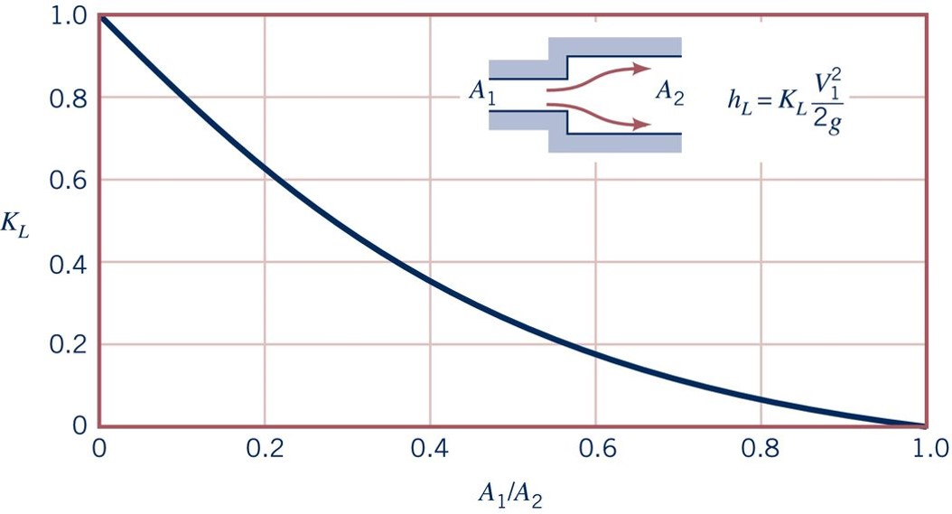
 |  |  |  |  |  |  |  |  |  |  |  |  |  |  |  | 0.18837925541 | 0.44362235067 | 0.12639358511 | 0.75475046947
 |  |  |  |  |  |  |  |  |  |  |  |  |  |  |  | 0.1942616141 | 0.44028923796 | 0.12966811532 | 0.74434082843
 |  |  |  |  |  |  |  |  |  |  |  |  |  |  |  | 0.20038907107 | 0.43824019327 | 0.13512566567 | 0.73886206998
 |  |  |  |  |  |  |  |  |  |  |  |  |  |  |  | 0.2047463738 | 0.4346202143 | 0.13840019587 | 0.72831545998
 |  |  |  |  |  |  |  |  |  |  |  |  |  |  |  | 0.21016576908 | 0.43269411228 | 0.14385774622 | 0.72338457738
 |  |  |  |  |  |  |  |  |  |  |  |  |  |  |  | 0.21539453236 | 0.42930635838 | 0.14713227643 | 0.71256402946
 |  |  |  |  |  |  |  |  |  |  |  |  |  |  |  | 0.22105902591 | 0.42722999309 | 0.15258982677 | 0.70804405374
 |  |  |  |  |  |  |  |  |  |  |  |  |  |  |  | 0.2260336132 | 0.42398794903 | 0.15586435698 | 0.69722350582
 |  |  |  |  |  |  |  |  |  |  |  |  |  |  |  | 0.23197951589 | 0.42184783568 | 0.16132190733 | 0.69162299718
 |  |  |  |  |  |  |  |  |  |  |  |  |  |  |  | 0.23620065291 | 0.41809884279 | 0.1656879476 | 0.68090898067
 |  |  |  |  |  |  |  |  |  |  |  |  |  |  |  | 0.24164728133 | 0.41633818216 | 0.17114549795 | 0.67530847204
 |  |  |  |  |  |  |  |  |  |  |  |  |  |  |  | 0.24698497718 | 0.41236758887 | 0.17442002816 | 0.66544670685
 |  |  |  |  |  |  |  |  |  |  |  |  |  |  |  | 0.25254053816 | 0.41064639133 | 0.1798775785 | 0.66024188632
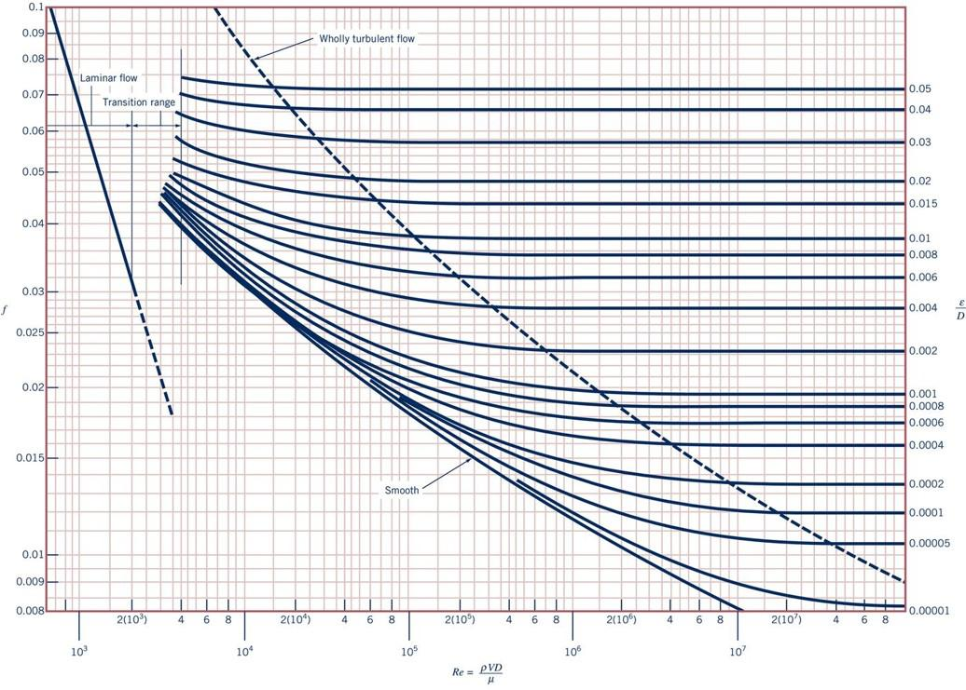
 |  |  |  |  |  |  |  |  |  |  |  |  |  |  |  | 0.25580851521 | 0.40682150789 | 0.18315210871 | 0.65038012113
 |  |  |  |  |  |  |  |  |  |  |  |  |  |  |  | 0.26125514363 | 0.40534923133 | 0.18860965906 | 0.64517530061
 |  |  |  |  |  |  |  |  |  |  |  |  |  |  |  | 0.26561244636 | 0.40158506033 | 0.19188418926 | 0.63545050437
 |  |  |  |  |  |  |  |  |  |  |  |  |  |  |  | 0.27105907478 | 0.39970297483 | 0.19734173961 | 0.6314784045
 |  |  |  |  |  |  |  |  |  |  |  |  |  |  |  | 0.27541637752 | 0.39575666652 | 0.20061626982 | 0.62120573242
 |  |  |  |  |  |  |  |  |  |  |  |  |  |  |  | 0.28086300593 | 0.39399600589 | 0.20607382016 | 0.6166857567
 |  |  |  |  |  |  |  |  |  |  |  |  |  |  |  | 0.28522030867 | 0.39011041002 | 0.20934835037 | 0.60682399151
 |  |  |  |  |  |  |  |  |  |  |  |  |  |  |  | 0.29077586965 | 0.3877244113 | 0.21480590072 | 0.60140610816
 |  |  |  |  |  |  |  |  |  |  |  |  |  |  |  | 0.29600463293 | 0.38373560429 | 0.21917194099 | 0.59203134371
 |  |  |  |  |  |  |  |  |  |  |  |  |  |  |  | 0.30166912649 | 0.38111282707 | 0.22462949134 | 0.58630908489
 |  |  |  |  |  |  |  |  |  |  |  |  |  |  |  | 0.30689788977 | 0.37712402006 | 0.22899553162 | 0.57632556951
 |  |  |  |  |  |  |  |  |  |  |  |  |  |  |  | 0.31245345075 | 0.37456802653 | 0.23445308196 | 0.57072506088
 |  |  |  |  |  |  |  |  |  |  |  |  |  |  |  | 0.31681075349 | 0.37050029335 | 0.23881912224 | 0.56147204662
 |  |  |  |  |  |  |  |  |  |  |  |  |  |  |  | 0.3222573819 | 0.36891418097 | 0.24427667258 | 0.5557497878
 |  |  |  |  |  |  |  |  |  |  |  |  |  |  |  | 0.32552535895 | 0.36474779008 | 0.24864271286 | 0.54637502335
 |  |  |  |  |  |  |  |  |  |  |  |  |  |  |  | 0.33108091994 | 0.362589463 | 0.25410026321 | 0.54077451472
 |  |  |  |  |  |  |  |  |  |  |  |  |  |  |  | 0.33630968322 | 0.3584913736 | 0.25846630348 | 0.53152150046
 |  |  |  |  |  |  |  |  |  |  |  |  |  |  |  | 0.34186524421 | 0.35580788396 | 0.26392385383 | 0.52683411824
 |  |  |  |  |  |  |  |  |  |  |  |  |  |  |  | 0.34622254694 | 0.35155801347 | 0.26719838404 | 0.51793113577
 |  |  |  |  |  |  |  |  |  |  |  |  |  |  |  | 0.35166917536 | 0.3495545031 | 0.27265593438 | 0.51374597307
 |  |  |  |  |  |  |  |  |  |  |  |  |  |  |  | 0.35602647809 | 0.34524392018 | 0.27702197466 | 0.504614709
 |  |  |  |  |  |  |  |  |  |  |  |  |  |  |  | 0.36147310651 | 0.3430582725 | 0.282479525 | 0.49937945093
 |  |  |  |  |  |  |  |  |  |  |  |  |  |  |  | 0.36583040924 | 0.33850483984 | 0.28684556528 | 0.49036993704
 |  |  |  |  |  |  |  |  |  |  |  |  |  |  |  | 0.37127703766 | 0.33631919216 | 0.29230311563 | 0.48562167973
 |  |  |  |  |  |  |  |  |  |  |  |  |  |  |  | 0.37563434039 | 0.33188718436 | 0.2966691559 | 0.47697741641
 |  |  |  |  |  |  |  |  |  |  |  |  |  |  |  | 0.38108096881 | 0.32958011182 | 0.30212670625 | 0.47235090928
 |  |  |  |  |  |  |  |  |  |  |  |  |  |  |  | 0.38543827154 | 0.32533024133 | 0.30649274653 | 0.46370664595
 |  |  |  |  |  |  |  |  |  |  |  |  |  |  |  | 0.39088489996 | 0.32284103147 | 0.31195029687 | 0.45895838864
 |  |  |  |  |  |  |  |  |  |  |  |  |  |  |  | 0.3952422027 | 0.31840902368 | 0.31631633715 | 0.45007062494
 |  |  |  |  |  |  |  |  |  |  |  |  |  |  |  | 0.40068883111 | 0.3163903352 | 0.32177388749 | 0.44617461894
 |  |  |  |  |  |  |  |  |  |  |  |  |  |  |  | 0.40395680816 | 0.31215564282 | 0.32613992777 | 0.4376521058
 |  |  |  |  |  |  |  |  |  |  |  |  |  |  |  | 0.40940343658 | 0.30990928271 | 0.33159747812 | 0.43326909905
 |  |  |  |  |  |  |  |  |  |  |  |  |  |  |  | 0.41376073931 | 0.30535585005 | 0.33596351839 | 0.42511183648
 |  |  |  |  |  |  |  |  |  |  |  |  |  |  |  | 0.41920736773 | 0.30334475062 | 0.34142106874 | 0.42060707954
 |  |  |  |  |  |  |  |  |  |  |  |  |  |  |  | 0.42247534478 | 0.29904175675 | 0.34578710902 | 0.41269331734
 |  |  |  |  |  |  |  |  |  |  |  |  |  |  |  | 0.4279219732 | 0.29661325933 | 0.35124465936 | 0.40891906152
 |  |  |  |  |  |  |  |  |  |  |  |  |  |  |  | 0.43227927593 | 0.29218125154 | 0.35561069964 | 0.40051829858
 |  |  |  |  |  |  |  |  |  |  |  |  |  |  |  | 0.43772590435 | 0.29002596008 | 0.36106824998 | 0.39650054239
 |  |  |  |  |  |  |  |  |  |  |  |  |  |  |  | 0.4409938814 | 0.28565466473 | 0.36543429026 | 0.38858678019
 |  |  |  |  |  |  |  |  |  |  |  |  |  |  |  | 0.44644050982 | 0.28367392152 | 0.37089184061 | 0.38481252437
 |  |  |  |  |  |  |  |  |  |  |  |  |  |  |  | 0.44970848687 | 0.27943922914 | 0.37525788088 | 0.37702051237
 |  |  |  |  |  |  |  |  |  |  |  |  |  |  |  | 0.45515511529 | 0.27712456754 | 0.38071543123 | 0.37411372664
 |  |  |  |  |  |  |  |  |  |  |  |  |  |  |  | 0.45951241802 | 0.27251042244 | 0.38398996144 | 0.36644346482
 |  |  |  |  |  |  |  |  |  |  |  |  |  |  |  | 0.46495904644 | 0.27035513098 | 0.38944751178 | 0.36326274117
 |  |  |  |  |  |  |  |  |  |  |  |  |  |  |  | 0.46822702349 | 0.26598383562 | 0.39381355206 | 0.35571422953
 |  |  |  |  |  |  |  |  |  |  |  |  |  |  |  | 0.4736736519 | 0.26400309241 | 0.39927110241 | 0.35230522428
 |  |  |  |  |  |  |  |  |  |  |  |  |  |  |  | 0.47694162895 | 0.25976840004 | 0.40363714268 | 0.34487846283
 |  |  |  |  |  |  |  |  |  |  |  |  |  |  |  | 0.48238825737 | 0.25763587574 | 0.40909469303 | 0.34134770739
 |  |  |  |  |  |  |  |  |  |  |  |  |  |  |  | 0.48674556011 | 0.25290030577 | 0.4134607333 | 0.3344079467
 |  |  |  |  |  |  |  |  |  |  |  |  |  |  |  | 0.49219218852 | 0.25068430187 | 0.41891828365 | 0.33087719126
 |  |  |  |  |  |  |  |  |  |  |  |  |  |  |  | 0.49546016557 | 0.24597149907 | 0.42328432393 | 0.32345042981
 |  |  |  |  |  |  |  |  |  |  |  |  |  |  |  | 0.50090679399 | 0.24399075586 | 0.42885102528 | 0.31984662426
 |  |  |  |  |  |  |  |  |  |  |  |  |  |  |  | 0.50417477104 | 0.23927795305 | 0.43409027361 | 0.31305296379
 |  |  |  |  |  |  |  |  |  |  |  |  |  |  |  | 0.50962139946 | 0.23687222279 | 0.43976612597 | 0.30888910737
 |  |  |  |  |  |  |  |  |  |  |  |  |  |  |  | 0.51397870219 | 0.23213665282 | 0.4450053743 | 0.3020954469
 |  |  |  |  |  |  |  |  |  |  |  |  |  |  |  | 0.51942533061 | 0.22922245592 | 0.45068122666 | 0.29793159049
 |  |  |  |  |  |  |  |  |  |  |  |  |  |  |  | 0.52378263334 | 0.22442617351 | 0.455920475 | 0.29113793002
 |  |  |  |  |  |  |  |  |  |  |  |  |  |  |  | 0.52922926176 | 0.22227088205 | 0.46159632736 | 0.2869740736
 |  |  |  |  |  |  |  |  |  |  |  |  |  |  |  | 0.53249723881 | 0.21748977776 | 0.46791495787 | 0.28083786414
 |  |  |  |  |  |  |  |  |  |  |  |  |  |  |  | 0.53794386723 | 0.21571393902 | 0.47360293812 | 0.27601655671
 |  |  |  |  |  |  |  |  |  |  |  |  |  |  |  | 0.54121184428 | 0.21093283472 | 0.47870877966 | 0.26975859707
 |  |  |  |  |  |  |  |  |  |  |  |  |  |  |  | 0.5466584727 | 0.20845880298 | 0.48481820408 | 0.26604521635
 |  |  |  |  |  |  |  |  |  |  |  |  |  |  |  | 0.55101577543 | 0.20378394544 | 0.49052134419 | 0.25947070622
 |  |  |  |  |  |  |  |  |  |  |  |  |  |  |  | 0.55646240385 | 0.20164383209 | 0.4969612536 | 0.25453982362
 |  |  |  |  |  |  |  |  |  |  |  |  |  |  |  | 0.5597303809 | 0.19713593375 | 0.50260072229 | 0.24893931499
 |  |  |  |  |  |  |  |  |  |  |  |  |  |  |  | 0.56517700931 | 0.19515519055 | 0.50842210932 | 0.2449215588
 |  |  |  |  |  |  |  |  |  |  |  |  |  |  |  | 0.56844498637 | 0.19064729221 | 0.51400093856 | 0.23859054904
 |  |  |  |  |  |  |  |  |  |  |  |  |  |  |  | 0.57389161478 | 0.18859824751 | 0.51966466303 | 0.23459714289
 |  |  |  |  |  |  |  |  |  |  |  |  |  |  |  | 0.57715959183 | 0.18429525364 | 0.52552243374 | 0.22921578459
 |  |  |  |  |  |  |  |  |  |  |  |  |  |  |  | 0.58260622025 | 0.18204889353 | 0.53148025953 | 0.22605027971
 |  |  |  |  |  |  |  |  |  |  |  |  |  |  |  | 0.58696352298 | 0.17749546087 | 0.53666493236 | 0.2197497075
 |  |  |  |  |  |  |  |  |  |  |  |  |  |  |  | 0.5924101514 | 0.17541605995 | 0.54239536023 | 0.21728426621
 |  |  |  |  |  |  |  |  |  |  |  |  |  |  |  | 0.59567812845 | 0.1709764631 | 0.54758003305 | 0.210983694
 |  |  |  |  |  |  |  |  |  |  |  |  |  |  |  | 0.60112475687 | 0.16893500746 | 0.55331046092 | 0.2085182527
 |  |  |  |  |  |  |  |  |  |  |  |  |  |  |  | 0.6054820596 | 0.1643815748 | 0.55816378247 | 0.20303949425
 |  |  |  |  |  |  |  |  |  |  |  |  |  |  |  | 0.61092868802 | 0.16237047537 | 0.56436200037 | 0.20002617711
 |  |  |  |  |  |  |  |  |  |  |  |  |  |  |  | 0.61419666507 | 0.1580674815 | 0.57017039324 | 0.19505616052
 |  |  |  |  |  |  |  |  |  |  |  |  |  |  |  | 0.61964329349 | 0.15582112139 | 0.5763382914 | 0.19062097512
 |  |  |  |  |  |  |  |  |  |  |  |  |  |  |  | 0.62400059622 | 0.1515712509 | 0.58250835527 | 0.18537049827
 |  |  |  |  |  |  |  |  |  |  |  |  |  |  |  | 0.62944722464 | 0.14926417836 | 0.58834490216 | 0.18185496161
 |  |  |  |  |  |  |  |  |  |  |  |  |  |  |  | 0.63380452737 | 0.14501430787 | 0.59418361476 | 0.1775241335
 |  |  |  |  |  |  |  |  |  |  |  |  |  |  |  | 0.63925115579 | 0.14270723532 | 0.60035151293 | 0.1730889481
 |  |  |  |  |  |  |  |  |  |  |  |  |  |  |  | 0.64360845852 | 0.13845736484 | 0.60693089306 | 0.16934512983
 |  |  |  |  |  |  |  |  |  |  |  |  |  |  |  | 0.64905508694 | 0.13615029229 | 0.61266132093 | 0.16455121619
 |  |  |  |  |  |  |  |  |  |  |  |  |  |  |  | 0.65341238967 | 0.13220398398 | 0.61893750383 | 0.16057911632
 |  |  |  |  |  |  |  |  |  |  |  |  |  |  |  | 0.65885901809 | 0.12995762386 | 0.625623003 | 0.15647004749
 |  |  |  |  |  |  |  |  |  |  |  |  |  |  |  | 0.66321632083 | 0.12570775338 | 0.63230850217 | 0.15236097866
 |  |  |  |  |  |  |  |  |  |  |  |  |  |  |  | 0.66877188181 | 0.12326104223 | 0.63885756259 | 0.1479779719
 |  |  |  |  |  |  |  |  |  |  |  |  |  |  |  | 0.67400064509 | 0.11921759402 | 0.64570982024 | 0.14313840194
 |  |  |  |  |  |  |  |  |  |  |  |  |  |  |  | 0.67955620608 | 0.11684373779 | 0.65222856094 | 0.13975983424
 |  |  |  |  |  |  |  |  |  |  |  |  |  |  |  | 0.68391350881 | 0.11265457974 | 0.65842677883 | 0.1363551772
 |  |  |  |  |  |  |  |  |  |  |  |  |  |  |  | 0.68936013723 | 0.11114435791 | 0.66478092673 | 0.13208957242
 |  |  |  |  |  |  |  |  |  |  |  |  |  |  |  | 0.69262811428 | 0.10704626851 | 0.67183675968 | 0.12852837943
 |  |  |  |  |  |  |  |  |  |  |  |  |  |  |  | 0.6980747427 | 0.10555122479 | 0.6785417501 | 0.1247715165
 |  |  |  |  |  |  |  |  |  |  |  |  |  |  |  | 0.70243204543 | 0.10160491648 | 0.68462302049 | 0.12101465356
 |  |  |  |  |  |  |  |  |  |  |  |  |  |  |  | 0.70798760642 | 0.099273558958 | 0.69097716839 | 0.11674904878
 |  |  |  |  |  |  |  |  |  |  |  |  |  |  |  | 0.7132163697 | 0.095448675521 | 0.69756521131 | 0.11381399961
 |  |  |  |  |  |  |  |  |  |  |  |  |  |  |  | 0.71888086325 | 0.092825898307 | 0.70434816674 | 0.11099635241
 |  |  |  |  |  |  |  |  |  |  |  |  |  |  |  | 0.72410962653 | 0.089219579638 | 0.71076078839 | 0.10606546981
 |  |  |  |  |  |  |  |  |  |  |  |  |  |  |  | 0.72966518752 | 0.087155356831 | 0.71736832256 | 0.10348262655
 |  |  |  |  |  |  |  |  |  |  |  |  |  |  |  | 0.73402249025 | 0.083209048523 | 0.72360552296 | 0.10003883552
 |  |  |  |  |  |  |  |  |  |  |  |  |  |  |  | 0.73946911867 | 0.081691237635 | 0.73060504785 | 0.095412328395
 |  |  |  |  |  |  |  |  |  |  |  |  |  |  |  | 0.7438264214 | 0.078230628811 | 0.73717143382 | 0.09283818157
 |  |  |  |  |  |  |  |  |  |  |  |  |  |  |  | 0.74940921553 | 0.076515502508 | 0.74364252923 | 0.090907571452
 |  |  |  |  |  |  |  |  |  |  |  |  |  |  |  | 0.75363035255 | 0.072766509615 | 0.75005515088 | 0.086341939417
 |  |  |  |  |  |  |  |  |  |  |  |  |  |  |  | 0.75918591354 | 0.070969421524 | 0.75666268505 | 0.083759096151
 |  |  |  |  |  |  |  |  |  |  |  |  |  |  |  | 0.76441467682 | 0.067581667623 | 0.76315327171 | 0.079767429285
 |  |  |  |  |  |  |  |  |  |  |  |  |  |  |  | 0.77007917037 | 0.065505302328 | 0.76991673589 | 0.07749765793
 |  |  |  |  |  |  |  |  |  |  |  |  |  |  |  | 0.77530793365 | 0.062117548427 | 0.77615393629 | 0.074680010731
 |  |  |  |  |  |  |  |  |  |  |  |  |  |  |  | 0.78097242721 | 0.060041183133 | 0.78317078673 | 0.071236219709
 |  |  |  |  |  |  |  |  |  |  |  |  |  |  |  | 0.78620119049 | 0.056653429231 | 0.78956391714 | 0.068731644421
 |  |  |  |  |  |  |  |  |  |  |  |  |  |  |  | 0.79187778766 | 0.05485634114 | 0.79603501255 | 0.066801034303
 |  |  |  |  |  |  |  |  |  |  |  |  |  |  |  | 0.79817166939 | 0.051517157187 | 0.80240215462 | 0.062296277361
 |  |  |  |  |  |  |  |  |  |  |  |  |  |  |  | 0.80386037018 | 0.049392221944 | 0.80936702839 | 0.060278702823
 |  |  |  |  |  |  |  |  |  |  |  |  |  |  |  | 0.81016635552 | 0.045998396799 | 0.81560422879 | 0.057461055624
 |  |  |  |  |  |  |  |  |  |  |  |  |  |  |  | 0.8158429527 | 0.043928102749 | 0.82223125421 | 0.055843517417
 |  |  |  |  |  |  |  |  |  |  |  |  |  |  |  | 0.82189476205 | 0.04107461828 | 0.82854641961 | 0.052764976959
 |  |  |  |  |  |  |  |  |  |  |  |  |  |  |  | 0.82784066474 | 0.039359491977 | 0.83571920006 | 0.049634257848
 |  |  |  |  |  |  |  |  |  |  |  |  |  |  |  | 0.83315112744 | 0.036217623439 | 0.84211233047 | 0.04712968256
 |  |  |  |  |  |  |  |  |  |  |  |  |  |  |  | 0.83927858441 | 0.03457838768 | 0.84842749587 | 0.045616501657
 |  |  |  |  |  |  |  |  |  |  |  |  |  |  |  | 0.8457388909 | 0.031907040518 | 0.85505452129 | 0.042433603895
 |  |  |  |  |  |  |  |  |  |  |  |  |  |  |  | 0.85194199548 | 0.029797283384 | 0.86144765169 | 0.039929028606
 |  |  |  |  |  |  |  |  |  |  |  |  |  |  |  | 0.8577387643 | 0.027318915035 | 0.86799671211 | 0.037737525229
 |  |  |  |  |  |  |  |  |  |  |  |  |  |  |  | 0.863924578 | 0.025425988027 | 0.87454577252 | 0.035546021852
 |  |  |  |  |  |  |  |  |  |  |  |  |  |  |  | 0.8704605321 | 0.023240340349 | 0.88109483294 | 0.033354518475
 |  |  |  |  |  |  |  |  |  |  |  |  |  |  |  | 0.8769964862 | 0.021054692671 | 0.88772185836 | 0.031736980268
 |  |  |  |  |  |  |  |  |  |  |  |  |  |  |  | 0.88341572684 | 0.019278853932 | 0.89427091877 | 0.02954547689
 |  |  |  |  |  |  |  |  |  |  |  |  |  |  |  | 0.89034072583 | 0.016956603274 | 0.90081997919 | 0.027353973513
 |  |  |  |  |  |  |  |  |  |  |  |  |  |  |  | 0.89726572481 | 0.015219793958 | 0.90713514459 | 0.024275433055
 |  |  |  |  |  |  |  |  |  |  |  |  |  |  |  | 0.90349044301 | 0.013502499354 | 0.91384013501 | 0.022397001589
 |  |  |  |  |  |  |  |  |  |  |  |  |  |  |  | 0.91008475384 | 0.011629087058 | 0.92046716043 | 0.021144713944
 |  |  |  |  |  |  |  |  |  |  |  |  |  |  |  | 0.91656235121 | 0.010224027836 | 0.92701622085 | 0.01931846113
 |  |  |  |  |  |  |  |  |  |  |  |  |  |  |  | 0.92302049633 | 0.0092613020734 | 0.93379917628 | 0.016448635279
 |  |  |  |  |  |  |  |  |  |  |  |  |  |  |  | 0.92916740554 | 0.0075700270842 | 0.9405041667 | 0.014570203813
 |  |  |  |  |  |  |  |  |  |  |  |  |  |  |  | 0.93636473595 | 0.0056185559429 | 0.94705322712 | 0.012378700436
 |  |  |  |  |  |  |  |  |  |  |  |  |  |  |  | 0.94262835863 | 0.0054364186363 | 0.95360228753 | 0.010187197058
 |  |  |  |  |  |  |  |  |  |  |  |  |  |  |  | 0.94916431273 | 0.00498107537 | 0.9593716979 | 0.0086218375032
 |  |  |  |  |  |  |  |  |  |  |  |  |  |  |  | 0.95570026683 | 0.0045257321037 | 0.96631058334 | 0.0085435695254
 |  |  |  |  |  |  |  |  |  |  |  |  |  |  |  | 0.96223622093 | 0.0039793201841 | 0.97285964375 | 0.0078130683997
 |  |  |  |  |  |  |  |  |  |  |  |  |  |  |  | 0.96877217503 | 0.0037061142244 | 0.97940870417 | 0.0068999419925
 |  |  |  |  |  |  |  |  |  |  |  |  |  |  |  | 0.97530812914 | 0.0034329082646 | 0.98595776458 | 0.0059868155853
 |  |  |  |  |  |  |  |  |  |  |  |  |  |  |  | 0.98184408324 | 0.0030686336515 | 0.992506825 | 0.0050736891782

